Rock-armored crossing nomograph
 | 2:1 |  | 3:1 |  | 1.5:1
0 | 0 | 0 | 0 | 0 | 0
0.92 | 2.4 | 0.7 | 2.4 | 1.196 | 2.4
1.2 | 6 | 0.9 | 6 | 1.56 | 6
1.47 | 12 | 1.1 | 12 | 1.911 | 12
1.8 | 22 | 1.3 | 22 | 2.34 | 22
2.1 | 35 | 1.5 | 35 | 2.73 | 35
2.3 | 50 | 1.7 | 50 | 2.99 | 50
2.6 | 72 | 1.9 | 72 | 3.38 | 72
3.2 | 100 | 2.2 | 100 | 4.16 | 100
 | 2:1 |  | 3:1 |  | 1.5:1
0 | 0 | 0 | 0 | 0 | 0
1.84 | 2.4 | 1.4 | 2.4 | 2.392 | 2.4
2.4 | 6 | 1.8 | 6 | 3.12 | 6
2.94 | 12 | 2.2 | 12 | 3.822 | 12
3.6 | 22 | 2.6 | 22 | 4.68 | 22
4.2 | 35 | 3 | 35 | 5.46 | 35
4.6 | 50 | 3.4 | 50 | 5.98 | 50
5.2 | 72 | 3.8 | 72 | 6.76 | 72
6.4 | 100 | 4.4 | 100 | 8.32 | 100
 | Minimum chute depth, ft.
0 | 0
0.5630867015 | 2.4
0.7915428624 | 6
1.0372145724 | 12
1.3389249187 | 22
1.615842286 | 35
1.8494208502 | 50
2.1574932531 | 72
2.4829011731 | 100
 | Minimum chute width, ft.
0 | 0
2 | 2.4
3 | 6
4 | 12
5 | 22
6 | 35
7 | 50
8 | 72
9 | 100
Simplified design of rock-armored crossings

x = 3:1
3:1
2:1

2:1

1.5:1
1.5:1

Note: Slopes armored at a 1.5:1 slope inclination shall be less than 15 feet in height, and be constructed by placing rock in a running bond with at least 3 points of contact and with the long axis of the rock placed horizontal and facing into the slope.
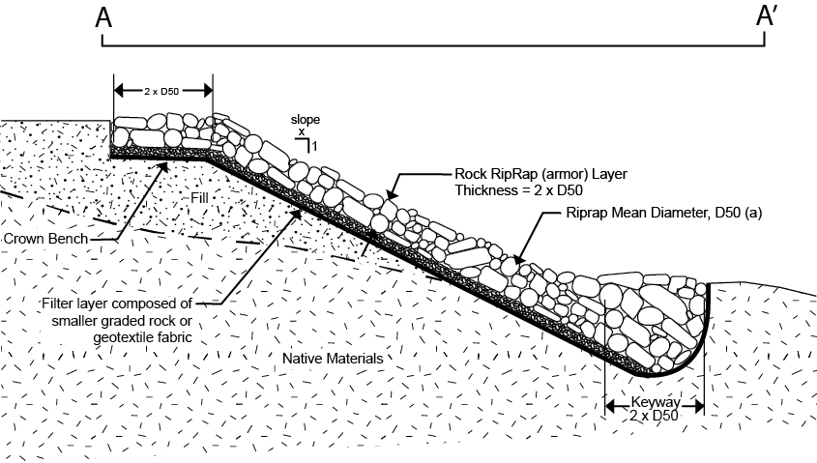

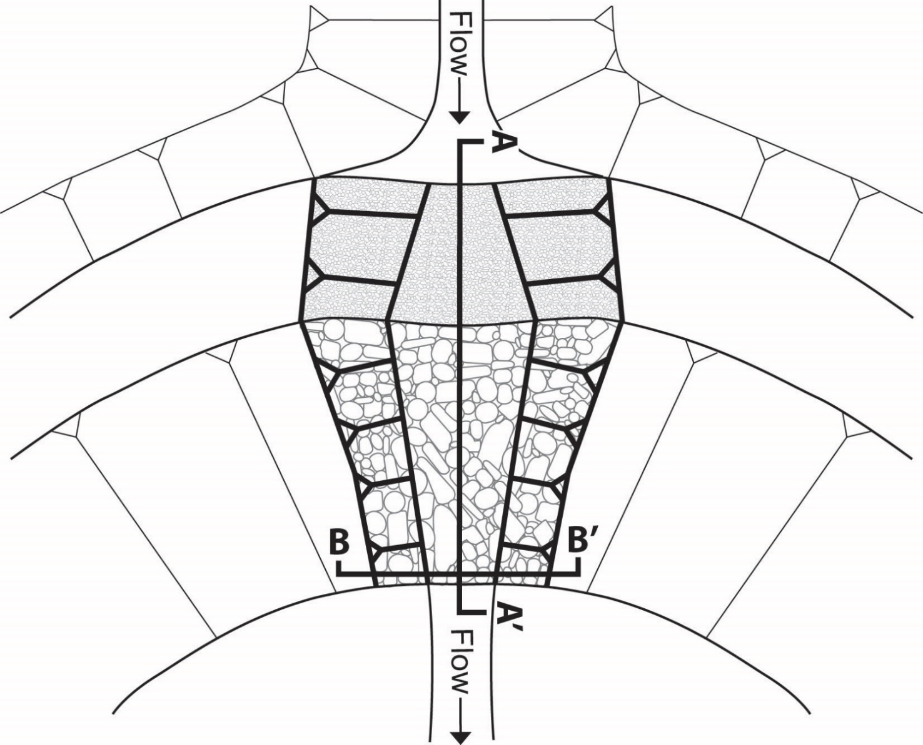

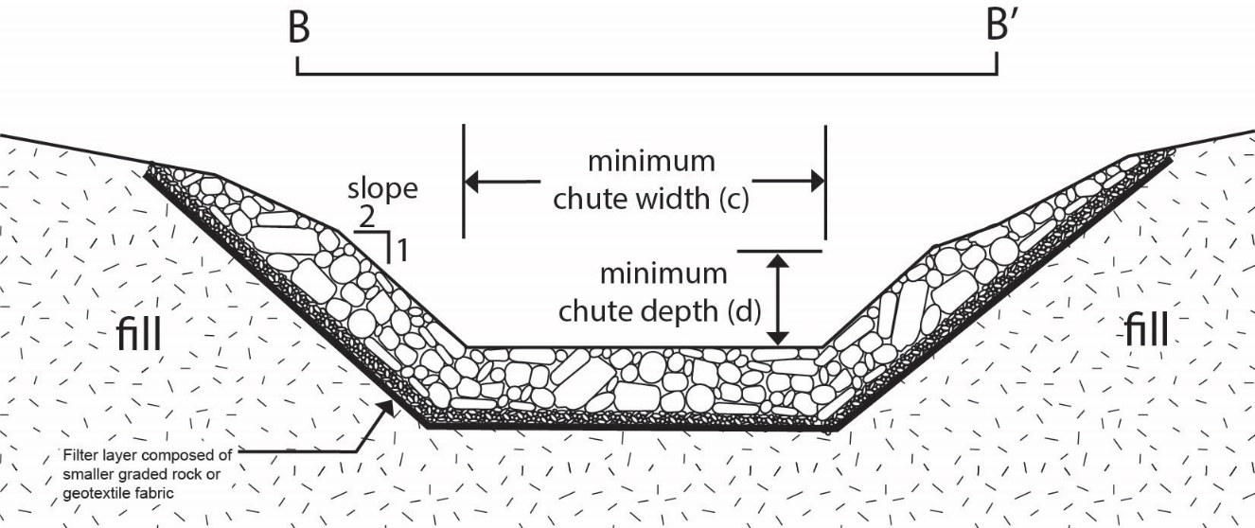

8/2017: See text for details on use.

Volume calculation worksheet
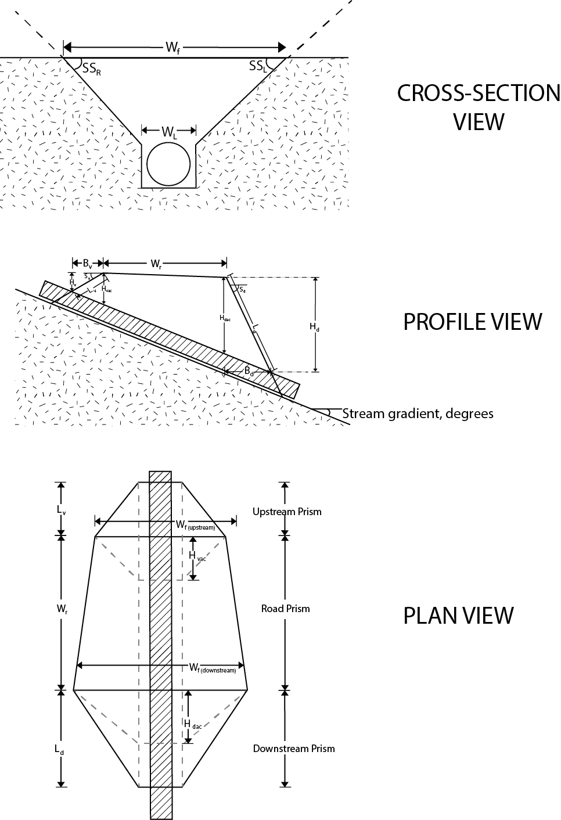
Index to Terms |  |  |  | Fill volume estimator worksheet*

Wr | Road width, ft. | Su | Fillslope angle upstream, degrees | Input parameters | 2 | Wc (assume equal to pipe diameter, ft.) | Conversion Table
Wc | Channel width, ft. | Sd | Fillslope angle downstream, degrees |  | 16 | Wr (width of road surface, ft.) | Slope % | Degrees | Slope % | Degrees
Wf | Fill width, ft. | SSl | Side slope angle, left, degrees |  | 26.6 | Su (upstream fillslope angle, degrees) | 0 | 0.0 | 52 | 27.5 | = 1h:1v
Wf(upstream) | Fill width upstream, ft. | SSr | Side slope angle, right, degrees |  | 26.6 | Sd (downstream fillslope angle, degrees) | 2 | 1.1 | 54 | 28.4 | = 1.5h:1v
Wf(downstream) | Fill width downstream, ft. | Huac | Height of fill, upstream above culvert, ft. |  | 2 | Hu (height of fill above inlet, ft. | 4 | 2.3 | 56 | 29.2 | = 2h:1v
Hd | Height above outlet, ft. | Hdac | Height of fill, downstream above culvert, ft. |  | 33.7 | Ave. side slope (degrees) | 6 | 3.4 | 58 | 30.1
Hu | Height above inlet, ft. | Bu | Horizontal length of fill, upstream prism, ft. |  | 11.3 | Stream gradient (degrees) | 8 | 4.6 | 60 | 31.0
Lc | Culvert length, ft. | Bd | Horizontal length of fill, downstream prism, ft. |  |  |  | 10 | 5.7 | 62 | 31.8
 |  |  |  |  |  |  | 12 | 6.8 | 64 | 32.6
Key Equations |  |  |  | Output | 2 | Hu | 14 | 8.0 | 66 | 33.4
 |  |  |  |  | 1.0 | Bu | 16 | 9.1 | 68 | 34.2
 |  |  |  |  | 9.0 | Hd | 18 | 10.2 | 70 | 35.0
 |  |  |  |  | 17.9 | Bd | 20 | 11.3 | 72 | 35.8
 |  |  |  |  | 2.2 | Lu | 22 | 12.4 | 74 | 36.5
 |  |  |  |  | 20.1 | Ld | 24 | 13.5 | 76 | 37.2
 |  |  |  |  | 8.0 | Wf(up stream) | 26 | 14.6 | 78 | 38.0
 |  |  |  |  | 42.9 | Wf(down stream) | 28 | 15.6 | 80 | 38.7
 |  |  |  |  | 25.5 | Ave. Wf (road surface) | 30 | 16.7 | 82 | 39.4
 |  |  |  |  | 5.4 | Hdac (height downstream above culvert, dac) | 32 | 17.7 | 84 | 40.0
 |  |  |  |  | 2.2 | Huac (height upstream above culvert, uac) | 34 | 18.8 | 86 | 40.7
 |  |  |  |  |  |  | 36 | 19.8 | 88 | 41.3
 |  |  |  |  | 63.4 | Angle A | 38 | 20.8 | 90 | 42.0
 |  |  |  |  | 15.3 | Angle B | 40 | 21.8 | 92 | 42.6
 |  |  |  |  | 101.3 | Angle C | 42 | 22.8 | 94 | 43.2
 |  |  |  |  |  |  | 44 | 23.7 | 96 | 43.8
 |  |  |  |  | 5.5 | Volume of upstream prism, ft^3 | 46 | 24.7 | 98 | 44.4
 |  |  |  |  | 1058.0 | Volume of prism below road, ft^3 | 48 | 25.6 | 100 | 45.0
 |  |  |  |  | 1087.3 | Volume of downstream prism, ft^3 | 50 | 26.6 | 102 | 45.6

 |  |  |  |  | 2151 | Total Volume, ft^3
 |  |  |  |  | 80 | Total Volume, yd^3

 |  |  |  | * Results are approximate and are not for design or inforcement purposes.

Fill Height Worksheet
Calculating maximum fill thickness and pipe length given typical crossing geometry parameters1. |  |  |  | Conversion Table
 |  |  |  | Slope % | Degrees | Slope % | Degrees
 |  |  |  | 0 | 0.0 | 52 | 27.5 | = 1h:1v
Input parameters: |  |  |  | 2 | 1.1 | 54 | 28.4 | = 1.5h:1v
 |  | 3.4 | B - stream slope, degrees. | 4 | 2.3 | 56 | 29.2 | = 2h:1v
 |  | 8 | H1 - Height of fill over inlet, ft. | 6 | 3.4 | 58 | 30.1
 |  | 12 | RW - Road width, ft. | 8 | 4.6 | 60 | 31.0
 |  | 60 | D - Pipe diameter, in. | 10 | 5.7 | 62 | 31.8
 |  | 26.6 | A - Fillslope face inclination, degrees. | 12 | 6.8 | 64 | 16.7
 |  |  |  | 14 | 8.0 | 66 | 33.4
Output parameters: |  | 9.7 | H2 - Maximum thickness of fill (measured at outside edge of roadway), ft. | 16 | 9.1 | 68 | 34.2
 |  |  |  | 18 | 10.2 | 70 | 35.0
 |  | 70 | PL - Pipe length, ft. | 20 | 11.3 | 72 | 35.8
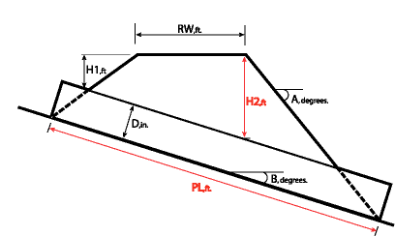
Interim. Calcs. |  |  |  | 22 | 12.4 | 74 | 36.5
angle a (degrees) |  |  |  | 24 | 13.5 | 76 | 37.2
angle b (degrees) |  | 23 |  | 26 | 14.6 | 78 | 16.7
angle c (degrees) |  | 93.4 |  | 28 | 15.6 | 80 | 38.7
length a (ft) |  | 63 |  | 30 | 16.7 | 82 | 39.4
length b (ft) |  | 9 |  | 32 | 17.7 | 84 | 40.0
length c (ft) |  | 28 |  | 34 | 18.8 | 86 | 40.7
length d (ft) |  | 22 |  | 36 | 19.8 | 88 | 41.3
 |  | 12 |  | 38 | 20.8 | 90 | 42.0
 |  |  |  | 40 | 21.8 | 92 | 42.6
 |  |  |  | 42 | 22.8 | 94 | 43.2
l1 | 15.975630845 |  |  | 44 | 23.7 | 96 | 43.8
 |  |  |  | 46 | 24.7 | 98 | 44.4
 |  |  |  | 48 | 25.6 | 100 | 45.0
 |  |  |  | 50 | 26.6 | 102 | 45.6

1Not for design. The intended purpose is to estimate the magnitude of fill in the crossing and, in the event of failure, use it as a proxy to the crossing's potential threat to downstream rescources.

Culvert sizing nomograph
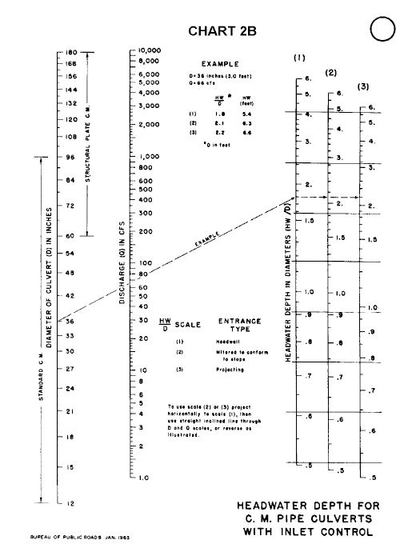
Adapted from: Schall, J.D., P.L. Thompson, S.M. Zerges, R.T. Kilgore, and J.L. Morris. 2012. Hydraulic design of highway culverts: third edition. U.S. Department of Transportation, Federal Highway Administration. HDS-5. Publication Number HIF-12-026. https://www.fhwa.dot.gov/engineering/hydraulics/pubs/12026/hif12026.pdf

